dashboard
HEART ATTACK SYMPTOMS ANALYSIS
TYPE OF CHEST PAIN
 | Total
TYPICAL | 14
TYPICAL ANGINA | 77
NON-ANGINA PAIN | 85
ASYMPTOMATIC | 105

NO OF MALE AND FEMALE ARE SURRFERING
 | Total
0 | 350
1 | 559
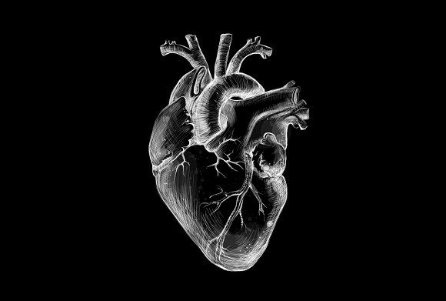

NUMBER OF PEOPLE WITH RESPECT TO AGE
 | Total
28 | 0
29 | 0
30 | 0
31 | 1
32 | 2
33 | 1
34 | 2
35 | 6
36 | 2
37 | 1
38 | 12
39 | 3
40 | 8
41 | 7
42 | 4
43 | 13
44 | 8
45 | 4
46 | 16
47 | 13
48 | 18
49 | 13
50 | 17
51 | 18
52 | 22
53 | 17
54 | 29
55 | 28
56 | 31
57 | 31
58 | 39
59 | 30
60 | 33
61 | 32
62 | 32
63 | 27
64 | 19
65 | 19
66 | 10
67 | 17
68 | 7
69 | 11
70 | 9
71 | 2
72 | 3
73 | 1
74 | 5
75 | 2
76 | 1
77 | 3
BP STATUS
 | Total
normal | 385
stage 1 hypertension | 526
stage 2 hypertension | 279

